Sheet1
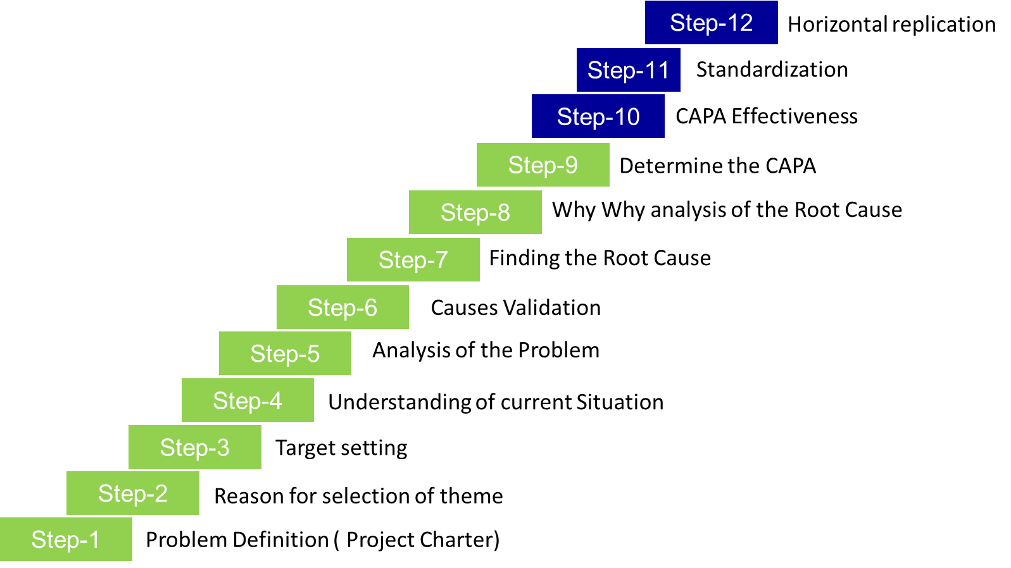
Step-12
Step-11
Step-10
Step-9
Step-8

Step-7

Step-6
Step-5
Step 1 | Problem Definition (Project Charter)
Step 2 | Reason for Selection of Theme
Step 3 | Target Setting
Step 4 | Understanding of current situation
Step-4
Step 5 | Analysis of Problem
Step 6 | Cause Validation
Step 7 | Finding the Root Cause
Step-3
Step 8 | Why Why Analysis of The root Cause
Step 9 | Determine The CAPA
Step 10 | CAPA Effectiveness
Step-2
Step 11 | Standardization
Step 12 | Horizontal Replication
Step-1

Sheet3
Baseline PPR 2020-21 | 2.59%
Target June 2023 | 1.95%

